ECG_108
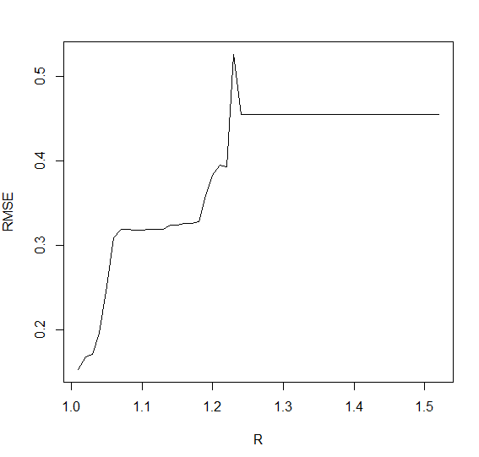
R | RMSE
1.52 | 0.45468256276
1.51 | 0.45468256276
1.5 | 0.45468256276
1.49 | 0.45468256276
1.48 | 0.45468256276
1.47 | 0.45468256276
1.46 | 0.45468256276
1.45 | 0.45468256276
1.44 | 0.45468256276
1.43 | 0.45468256276
1.42 | 0.45468256276
1.41 | 0.45468256276
1.4 | 0.45468256276
1.39 | 0.45468256276
1.38 | 0.45468256276
1.37 | 0.45468256276
1.36 | 0.45468256276
1.35 | 0.45468256276
1.34 | 0.45468256276
1.33 | 0.45468256276
1.32 | 0.45468256276
1.31 | 0.45468256276
1.3 | 0.45468256276
1.29 | 0.45468256276
1.28 | 0.45468256276
1.27 | 0.45468256276
1.26 | 0.45468256276
1.25 | 0.45468256276
1.24 | 0.45468256276 | R = 1.04
1.23 | 0.52601425555
1.22 | 0.39297187633
1.21 | 0.39509766938
1.2 | 0.38330907865
1.19 | 0.35884746195
1.18 | 0.32755444005
1.17 | 0.32596023111
1.16 | 0.3257064899
1.15 | 0.32447792246
1.14 | 0.32415826068
1.13 | 0.31946873922
1.12 | 0.31880482916
1.11 | 0.31858890384
1.1 | 0.3181907177
1.09 | 0.31783882087
1.08 | 0.31863433486
1.07 | 0.31858537113
1.06 | 0.30882935137
1.05 | 0.25233999853
1.04 | 0.19576743865
1.03 | 0.17053033119
1.02 | 0.16785808434
1.01 | 0.15326074487

ECG 308
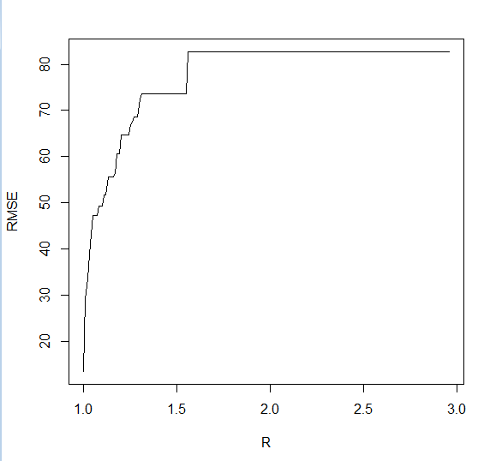
R | RMSE
2.96 | 82.679768112
2.95 | 82.679768112
2.94 | 82.679768112
2.93 | 82.679768112
2.92 | 82.679768112
2.91 | 82.679768112
2.9 | 82.679768112
2.89 | 82.679768112
2.88 | 82.679768112
2.87 | 82.679768112
2.86 | 82.679768112
2.85 | 82.679768112
2.84 | 82.679768112
2.83 | 82.679768112
2.82 | 82.679768112
2.81 | 82.679768112
2.8 | 82.679768112
2.79 | 82.679768112
2.78 | 82.679768112
2.77 | 82.679768112
2.76 | 82.679768112
2.75 | 82.679768112
2.74 | 82.679768112
2.73 | 82.679768112
2.72 | 82.679768112
2.71 | 82.679768112
2.7 | 82.679768112
2.69 | 82.679768112 | R = 1.03
2.68 | 82.679768112
2.67 | 82.679768112
2.66 | 82.679768112
2.65 | 82.679768112
2.64 | 82.679768112
2.63 | 82.679768112
2.62 | 82.679768112
2.61 | 82.679768112
2.6 | 82.679768112
2.59 | 82.679768112
2.58 | 82.679768112
2.57 | 82.679768112
2.56 | 82.679768112
2.55 | 82.679768112
2.54 | 82.679768112
2.53 | 82.679768112
2.52 | 82.679768112
2.51 | 82.679768112
2.5 | 82.679768112
2.49 | 82.679768112
2.48 | 82.679768112
2.47 | 82.679768112
2.46 | 82.679768112
2.45 | 82.679768112
2.44 | 82.679768112
2.43 | 82.679768112
2.42 | 82.679768112
2.41 | 82.679768112
2.4 | 82.679768112
2.39 | 82.679768112
2.38 | 82.679768112
2.37 | 82.679768112
2.36 | 82.679768112
2.35 | 82.679768112
2.34 | 82.679768112
2.33 | 82.679768112
2.32 | 82.679768112
2.31 | 82.679768112
2.3 | 82.679768112
2.29 | 82.679768112
2.28 | 82.679768112
2.27 | 82.679768112
2.26 | 82.679768112
2.25 | 82.679768112
2.24 | 82.679768112
2.23 | 82.6788218
2.22 | 82.6788218
2.21 | 82.6788218
2.2 | 82.6788218
2.19 | 82.6788218
2.18 | 82.6788218
2.17 | 82.6788218
2.16 | 82.6788218
2.15 | 82.6788218
2.14 | 82.6788218
2.13 | 82.6788218
2.12 | 82.6788218
2.11 | 82.6788218
2.1 | 82.6788218
2.09 | 82.6788218
2.08 | 82.6788218
2.07 | 82.6788218
2.06 | 82.6788218
2.05 | 82.6788218
2.04 | 82.6788218
2.03 | 82.6788218
2.02 | 82.6788218
2.01 | 82.6788218
2 | 82.6788218
1.99 | 82.6788218
1.98 | 82.6788218
1.97 | 82.6788218
1.96 | 82.6788218
1.95 | 82.6788218
1.94 | 82.6788218
1.93 | 82.6788218
1.92 | 82.6788218
1.91 | 82.6788218
1.9 | 82.6788218
1.89 | 82.6788218
1.88 | 82.6788218
1.87 | 82.6788218
1.86 | 82.6788218
1.85 | 82.6788218
1.84 | 82.6788218
1.83 | 82.6788218
1.82 | 82.6788218
1.81 | 82.6788218
1.8 | 82.6788218
1.79 | 82.6788218
1.78 | 82.6788218
1.77 | 82.6788218
1.76 | 82.6788218
1.75 | 82.6788218
1.74 | 82.6788218
1.73 | 82.6788218
1.72 | 82.6788218
1.71 | 82.6788218
1.7 | 82.6788218
1.69 | 82.6788218
1.68 | 82.6788218
1.67 | 82.6788218
1.66 | 82.6788218
1.65 | 82.6788218
1.64 | 82.6788218
1.63 | 82.6788218
1.62 | 82.6788218
1.61 | 82.6788218
1.6 | 82.6788218
1.59 | 82.6788218
1.58 | 82.6788218
1.57 | 82.6788218
1.56 | 82.6788218
1.55 | 73.668506061
1.54 | 73.668506061
1.53 | 73.668506061
1.52 | 73.668506061
1.51 | 73.668506061
1.5 | 73.670877251
1.49 | 73.670877251
1.48 | 73.670877251
1.47 | 73.670877251
1.46 | 73.670877251
1.45 | 73.670877251
1.44 | 73.670877251
1.43 | 73.670877251
1.42 | 73.670877251
1.41 | 73.670877251
1.4 | 73.670877251
1.39 | 73.670877251
1.38 | 73.670877251
1.37 | 73.670877251
1.36 | 73.670877251
1.35 | 73.670877251
1.34 | 73.670877251
1.33 | 73.670877251
1.32 | 73.670877251
1.31 | 73.670877251
1.3 | 72.450408944
1.29 | 68.65371592
1.28 | 68.65371592
1.27 | 68.65371592
1.26 | 67.465813158
1.25 | 66.98715034
1.24 | 64.607478614
1.23 | 64.618823286
1.22 | 64.656171366
1.21 | 64.687886493
1.2 | 64.687886493
1.19 | 60.55764558
1.18 | 60.55764558
1.17 | 56.362520874
1.16 | 55.586826568
1.15 | 55.586826568
1.14 | 55.635473516
1.13 | 55.635473516
1.12 | 51.716656569
1.11 | 51.734711713
1.1 | 49.279141141
1.09 | 49.279141141
1.08 | 49.186646598
1.07 | 47.186393714
1.06 | 47.186219834
1.05 | 47.18625856
1.04 | 43.182050935
1.03 | 38.751298464
1.02 | 33.564861384
1.01 | 29.010141131
1 | 13.478714078

Memory
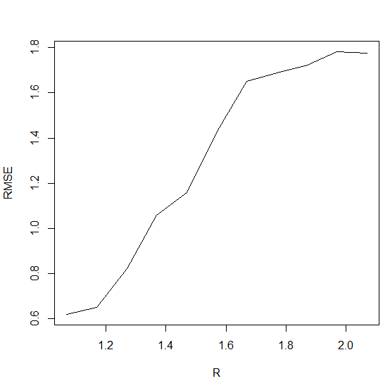
R | RMSE
2.07 | 1.7766841734
1.97 | 1.7811464874
1.87 | 1.7220490745
1.77 | 1.6871930548
1.67 | 1.6512860935
1.57 | 1.4296154008
1.47 | 1.1588176414
1.37 | 1.059010762
1.27 | 0.8233423924
1.17 | 0.65139277589
1.07 | 0.62111040902

 |  | R = 1.1

Power Italia
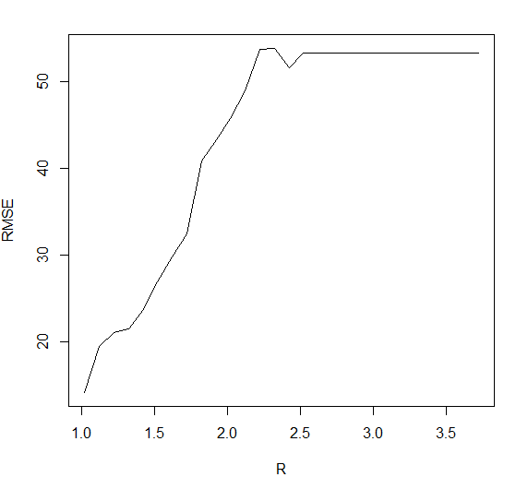
R | RMSE
3.72 | 53.285575404
3.62 | 53.285575404
3.52 | 53.285575404
3.42 | 53.285575404
3.32 | 53.285575404
3.22 | 53.285575404
3.12 | 53.285575404
3.02 | 53.285575404
2.92 | 53.285575404
2.82 | 53.285575404
2.72 | 53.285575404
2.62 | 53.285575404
2.52 | 53.285575404
2.42 | 51.544389127
2.32 | 53.800050677
2.22 | 53.736799414
2.12 | 48.966068773
2.02 | 45.733297114
1.92 | 43.275089146
1.82 | 40.85030809
1.72 | 32.365729922
1.62 | 29.78610187
1.52 | 26.861922134
1.42 | 23.717439795
1.32 | 21.439290269
1.22 | 21.056889887
1.12 | 19.468564406
1.02 | 14.130937269 | R = 1.8

Power Dustch
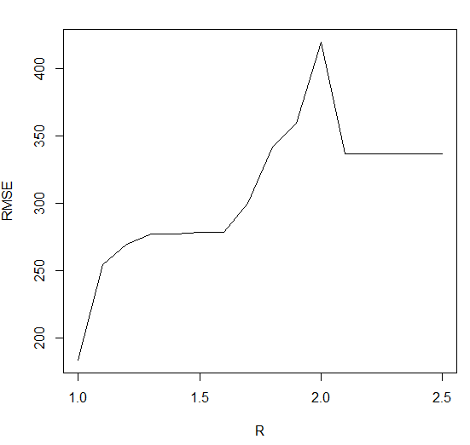
R | RMSE
2.5 | 336.93801278
2.4 | 336.93801278
2.3 | 336.93801278
2.2 | 336.93801278
2.1 | 336.93801278
2 | 419.89040394
1.9 | 359.5171047
1.8 | 341.89439679
1.7 | 300.26714424
1.6 | 278.26959611
1.5 | 278.26959611
1.4 | 277.37335389
1.3 | 277.36587702
1.2 | 269.34232751
1.1 | 254.33769835
1 | 183.49795832

 |  | R=1.7

ERP
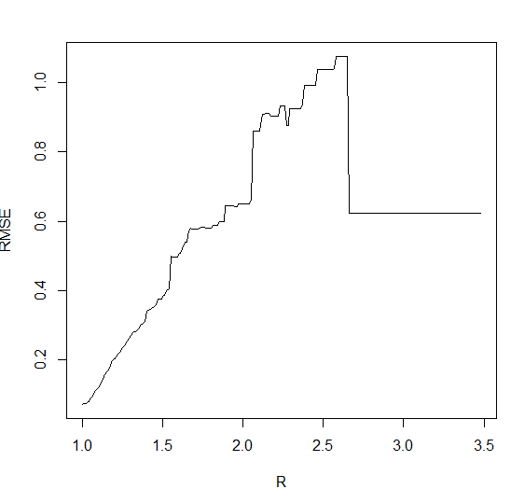
R | RMSE
3.48 | 0.62293972013
3.47 | 0.62293972013
3.46 | 0.62293972013
3.45 | 0.62293972013
3.44 | 0.62293972013
3.43 | 0.62293972013
3.42 | 0.62293972013
3.41 | 0.62293972013
3.4 | 0.62293972013
3.39 | 0.62293972013
3.38 | 0.62293972013
3.37 | 0.62293972013
3.36 | 0.62293972013
3.35 | 0.62293972013
3.34 | 0.62293972013
3.33 | 0.62293972013
3.32 | 0.62293972013
3.31 | 0.62293972013
3.3 | 0.62293972013
3.29 | 0.62293972013
3.28 | 0.62293972013
3.27 | 0.62293972013
3.26 | 0.62293972013
3.25 | 0.62293972013
3.24 | 0.62293972013
3.23 | 0.62293972013
3.22 | 0.62293972013
3.21 | 0.62293972013
3.2 | 0.62293972013
3.19 | 0.62293972013 | R = 1.42
3.18 | 0.62293972013
3.17 | 0.62293972013
3.16 | 0.62293972013
3.15 | 0.62293972013
3.14 | 0.62293972013
3.13 | 0.62293972013
3.12 | 0.62293972013
3.11 | 0.62293972013
3.1 | 0.62293972013
3.09 | 0.62293972013
3.08 | 0.62293972013
3.07 | 0.62293972013
3.06 | 0.62293972013
3.05 | 0.62293972013
3.04 | 0.62293972013
3.03 | 0.62293972013
3.02 | 0.62293972013
3.01 | 0.62293972013
3 | 0.62293972013
2.99 | 0.62293972013
2.98 | 0.62293972013
2.97 | 0.62293972013
2.96 | 0.62293972013
2.95 | 0.62293972013
2.94 | 0.62293972013
2.93 | 0.62293972013
2.92 | 0.62293972013
2.91 | 0.62293972013
2.9 | 0.62293972013
2.89 | 0.62293972013
2.88 | 0.62293972013
2.87 | 0.62293972013
2.86 | 0.62293972013
2.85 | 0.62293972013
2.84 | 0.62293972013
2.83 | 0.62293972013
2.82 | 0.62293972013
2.81 | 0.62293972013
2.8 | 0.62293972013
2.79 | 0.62293972013
2.78 | 0.62293972013
2.77 | 0.62293972013
2.76 | 0.62293972013
2.75 | 0.62293972013
2.74 | 0.62293972013
2.73 | 0.62293972013
2.72 | 0.62293972013
2.71 | 0.62293972013
2.7 | 0.62293972013
2.69 | 0.62293972013
2.68 | 0.62293972013
2.67 | 0.62293972013
2.66 | 0.62293972013
2.65 | 1.0755770086
2.64 | 1.0755770086
2.63 | 1.0755770086
2.62 | 1.0755770086
2.61 | 1.0755770086
2.6 | 1.0755770086
2.59 | 1.0755770086
2.58 | 1.0755770086
2.57 | 1.04118815
2.56 | 1.0379672758
2.55 | 1.0379672758
2.54 | 1.0379672758
2.53 | 1.0379672758
2.52 | 1.0379672758
2.51 | 1.0379672758
2.5 | 1.0379672758
2.49 | 1.0379672758
2.48 | 1.0379672758
2.47 | 1.0379672758
2.46 | 1.0379672758
2.45 | 0.9934590622
2.44 | 0.9934590622
2.43 | 0.9934590622
2.42 | 0.9934590622
2.41 | 0.9934590622
2.4 | 0.9934590622
2.39 | 0.9934590622
2.38 | 0.9934590622
2.37 | 0.93969486313
2.36 | 0.92552179293
2.35 | 0.92552179293
2.34 | 0.92552179293
2.33 | 0.92552179293
2.32 | 0.92552179293
2.31 | 0.92552179293
2.3 | 0.92552179293
2.29 | 0.92552179293
2.28 | 0.87727377765
2.27 | 0.87727377765
2.26 | 0.93348046174
2.25 | 0.93348046174
2.24 | 0.93348046174
2.23 | 0.93222158588
2.22 | 0.90324015859
2.21 | 0.90324015859
2.2 | 0.90324015859
2.19 | 0.90324015859
2.18 | 0.90324015859
2.17 | 0.90324015859
2.16 | 0.91209903493
2.15 | 0.91209903493
2.14 | 0.91209903493
2.13 | 0.90800112578
2.12 | 0.90800112578
2.11 | 0.87772621187
2.1 | 0.8592775379
2.09 | 0.8592775379
2.08 | 0.8592775379
2.07 | 0.85957793202
2.06 | 0.85957793202
2.05 | 0.66123001681
2.04 | 0.64936893411
2.03 | 0.64936893411
2.02 | 0.64936893411
2.01 | 0.64936893411
2 | 0.64936893411
1.99 | 0.64936893411
1.98 | 0.64936893411
1.97 | 0.64936893411
1.96 | 0.64280494627
1.95 | 0.64280494627
1.94 | 0.64500117598
1.93 | 0.64500117598
1.92 | 0.64500117598
1.91 | 0.64500117598
1.9 | 0.64500117598
1.89 | 0.64500117598
1.88 | 0.59786633875
1.87 | 0.59909807023
1.86 | 0.59909807023
1.85 | 0.59909807023
1.84 | 0.58684838657
1.83 | 0.58684838657
1.82 | 0.58803441894
1.81 | 0.58803441894
1.8 | 0.57952584893
1.79 | 0.57952584893
1.78 | 0.57952584893
1.77 | 0.57962109872
1.76 | 0.58227699415
1.75 | 0.58227699415
1.74 | 0.58227699415
1.73 | 0.57899965769
1.72 | 0.57614856434
1.71 | 0.57614856434
1.7 | 0.57614856434
1.69 | 0.57614856434
1.68 | 0.57822283236
1.67 | 0.57956361597
1.66 | 0.57208936054
1.65 | 0.53985401919
1.64 | 0.53985401919
1.63 | 0.53197389246
1.62 | 0.52030715072
1.61 | 0.50690774559
1.6 | 0.50690774559
1.59 | 0.49745978699
1.58 | 0.49745978699
1.57 | 0.49688707756
1.56 | 0.49751028464
1.55 | 0.4976731059
1.54 | 0.40498840841
1.53 | 0.40269683322
1.52 | 0.39980636903
1.51 | 0.38492768619
1.5 | 0.38380279771
1.49 | 0.37424369456
1.48 | 0.37376456711
1.47 | 0.37583826633
1.46 | 0.35823443797
1.45 | 0.35584695157
1.44 | 0.35043282169
1.43 | 0.3486495049
1.42 | 0.34464092357
1.41 | 0.34357691482
1.4 | 0.34084859121
1.39 | 0.30901344529
1.38 | 0.30674841773
1.37 | 0.30207833301
1.36 | 0.29918671234
1.35 | 0.29097135882
1.34 | 0.28467484517
1.33 | 0.2813788834
1.32 | 0.2793451803
1.31 | 0.27685134748
1.3 | 0.27001195252
1.29 | 0.26051960043
1.28 | 0.25267213519
1.27 | 0.24901856495
1.26 | 0.24101024787
1.25 | 0.23389967182
1.24 | 0.22816568133
1.23 | 0.22091426528
1.22 | 0.2159318013
1.21 | 0.20675080071
1.2 | 0.20223546067
1.19 | 0.19884244356
1.18 | 0.19415545474
1.17 | 0.17946669452
1.16 | 0.17058474604
1.15 | 0.16352693656
1.14 | 0.15628438277
1.13 | 0.15098598178
1.12 | 0.13665186643
1.11 | 0.12711276063
1.1 | 0.1213428287
1.09 | 0.11543587909
1.08 | 0.11135572431
1.07 | 0.10068408058
1.06 | 0.093905087417
1.05 | 0.089616418354
1.04 | 0.079252346791
1.03 | 0.075458733181
1.02 | 0.073107455284
1.01 | 0.071658528332
1 | 0.071086676348

Stock_20
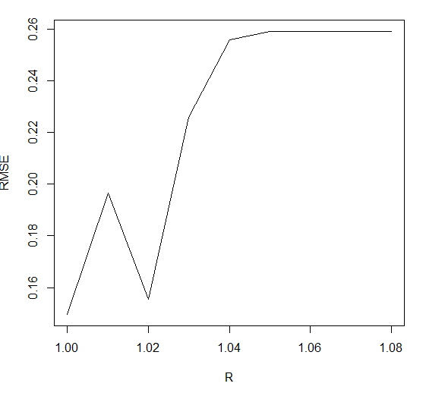
R | RMSE
1.08 | 0.25897450089
1.07 | 0.25897450089
1.06 | 0.25897450089
1.05 | 0.25897450089
1.04 | 0.25576870557
1.03 | 0.22582386965
1.02 | 0.15558123571
1.01 | 0.19658915582
1 | 0.14968257614

 |  | R = 1.01

TEK17
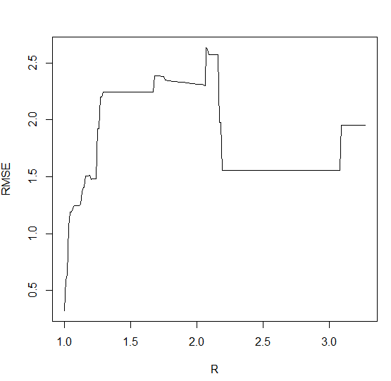
R | RMSE
3.27 | 1.9550309081
3.26 | 1.9550309081
3.25 | 1.9550309081
3.24 | 1.9550309081
3.23 | 1.9550309081
3.22 | 1.9550309081
3.21 | 1.9550309081
3.2 | 1.9550309081
3.19 | 1.9550309081
3.18 | 1.9550309081
3.17 | 1.9550309081
3.16 | 1.9550309081
3.15 | 1.9550309081
3.14 | 1.9550309081
3.13 | 1.9550309081
3.12 | 1.9550309081
3.11 | 1.9550309081
3.1 | 1.9550309081
3.09 | 1.9550309081
3.08 | 1.5560818111
3.07 | 1.5560818111
3.06 | 1.5560818111
3.05 | 1.5560818111
3.04 | 1.5560818111
3.03 | 1.5560818111
3.02 | 1.5560818111
3.01 | 1.5560818111
3 | 1.5560818111
2.99 | 1.5560818111 | R = 1.02
2.98 | 1.5560818111
2.97 | 1.5560818111
2.96 | 1.5560818111
2.95 | 1.5560818111
2.94 | 1.5560818111
2.93 | 1.5560818111
2.92 | 1.5560818111
2.91 | 1.5560818111
2.9 | 1.5560818111
2.89 | 1.5560818111
2.88 | 1.5560818111
2.87 | 1.5560818111
2.86 | 1.5560818111
2.85 | 1.5560818111
2.84 | 1.5560818111
2.83 | 1.5560818111
2.82 | 1.5560818111
2.81 | 1.5560818111
2.8 | 1.5560818111
2.79 | 1.5560818111
2.78 | 1.5560818111
2.77 | 1.5560818111
2.76 | 1.5560818111
2.75 | 1.5560818111
2.74 | 1.5560818111
2.73 | 1.5560818111
2.72 | 1.5560818111
2.71 | 1.5560818111
2.7 | 1.5560818111
2.69 | 1.5560818111
2.68 | 1.5560818111
2.67 | 1.5560818111
2.66 | 1.5560818111
2.65 | 1.5560818111
2.64 | 1.5560818111
2.63 | 1.5560818111
2.62 | 1.5560818111
2.61 | 1.5560818111
2.6 | 1.5560818111
2.59 | 1.5560818111
2.58 | 1.5560818111
2.57 | 1.5560818111
2.56 | 1.5560818111
2.55 | 1.5560818111
2.54 | 1.5560818111
2.53 | 1.5560818111
2.52 | 1.5560818111
2.51 | 1.5560818111
2.5 | 1.5560818111
2.49 | 1.5560818111
2.48 | 1.5560818111
2.47 | 1.5560818111
2.46 | 1.5560818111
2.45 | 1.5560818111
2.44 | 1.5560818111
2.43 | 1.5560818111
2.42 | 1.5560818111
2.41 | 1.5560818111
2.4 | 1.5560818111
2.39 | 1.5560818111
2.38 | 1.5560818111
2.37 | 1.5560818111
2.36 | 1.5560818111
2.35 | 1.5560818111
2.34 | 1.5560818111
2.33 | 1.5560818111
2.32 | 1.5560818111
2.31 | 1.5560818111
2.3 | 1.5560818111
2.29 | 1.5560818111
2.28 | 1.5560818111
2.27 | 1.5560818111
2.26 | 1.5560818111
2.25 | 1.5560818111
2.24 | 1.5560818111
2.23 | 1.5560818111
2.22 | 1.5560818111
2.21 | 1.5560818111
2.2 | 1.5560818111
2.19 | 1.5560818111
2.18 | 1.9761434357
2.17 | 1.9761434357
2.16 | 2.5732841115
2.15 | 2.5732841115
2.14 | 2.5732841115
2.13 | 2.5732841115
2.12 | 2.5732841115
2.11 | 2.5732841115
2.1 | 2.5732841115
2.09 | 2.5732841115
2.08 | 2.6221742879
2.07 | 2.6340419765
2.06 | 2.3031695321
2.05 | 2.3062636157
2.04 | 2.3094505518
2.03 | 2.311468497
2.02 | 2.3135168408
2.01 | 2.3155952299
2 | 2.3155952299
1.99 | 2.3155952299
1.98 | 2.3185124082
1.97 | 2.3185124082
1.96 | 2.3214862047
1.95 | 2.3214862047
1.94 | 2.3245151046
1.93 | 2.3245151046
1.92 | 2.3245151046
1.91 | 2.3284761405
1.9 | 2.3284761405
1.89 | 2.3316268528
1.88 | 2.3316268528
1.87 | 2.3316268528
1.86 | 2.3316268528
1.85 | 2.3366933446
1.84 | 2.3366933446
1.83 | 2.3366933446
1.82 | 2.3366933446
1.81 | 2.3366933446
1.8 | 2.3429171175
1.79 | 2.3429171175
1.78 | 2.3429171175
1.77 | 2.347309986
1.76 | 2.347309986
1.75 | 2.3819333944
1.74 | 2.3819333944
1.73 | 2.3819333944
1.72 | 2.3884526297
1.71 | 2.3884526297
1.7 | 2.3884526297
1.69 | 2.3884526297
1.68 | 2.3884526297
1.67 | 2.2458863868
1.66 | 2.2458863868
1.65 | 2.2458863868
1.64 | 2.2458824925
1.63 | 2.2458824925
1.62 | 2.2459051911
1.61 | 2.2459051911
1.6 | 2.2459450947
1.59 | 2.2459450947
1.58 | 2.241997981
1.57 | 2.241997981
1.56 | 2.2420603637
1.55 | 2.2420603637
1.54 | 2.2420603637
1.53 | 2.2421783012
1.52 | 2.2421783012
1.51 | 2.2421783012
1.5 | 2.2423038403
1.49 | 2.2423038403
1.48 | 2.242384936
1.47 | 2.242384936
1.46 | 2.242384936
1.45 | 2.2418866085
1.44 | 2.2418866085
1.43 | 2.2418866085
1.42 | 2.2418866085
1.41 | 2.2418866085
1.4 | 2.2418866085
1.39 | 2.2418866085
1.38 | 2.2418866085
1.37 | 2.2437344866
1.36 | 2.2437344866
1.35 | 2.2437344866
1.34 | 2.2437344866
1.33 | 2.2437344866
1.32 | 2.243275373
1.31 | 2.243275373
1.3 | 2.243275373
1.29 | 2.243275373
1.28 | 2.2000553198
1.27 | 2.199945618
1.26 | 1.9199514546
1.25 | 1.9199514546
1.24 | 1.4850175881
1.23 | 1.4824410063
1.22 | 1.4824410063
1.21 | 1.4824410063
1.2 | 1.4779934719
1.19 | 1.5101772876
1.18 | 1.5085197877
1.17 | 1.5085197877
1.16 | 1.5085197877
1.15 | 1.4100264322
1.14 | 1.4071509857
1.13 | 1.3696978531
1.12 | 1.2595767304
1.11 | 1.2474889012
1.1 | 1.2474889012
1.09 | 1.2447631189
1.08 | 1.2447631189
1.07 | 1.2399800406
1.06 | 1.2242801704
1.05 | 1.1927497913
1.04 | 1.1885140686
1.03 | 1.0589887343
1.02 | 0.64156410852
1.01 | 0.592726681
1 | 0.32496099198

